Goldenhour Systems Pvt Ltd

Goldenhour sytems Pvt LTD (GSPL) is founded in Aug 2016. It’s a DIPP certified company under StartUp India Initiative by Govt. Of India

Founders
Hemant Thackeray
Jeetu Ramchandani

GSPL will have a network of Ambulances proportionate to Population Density, Optimizing Healthcare Ecosytem

Tesla Comparisons for Range
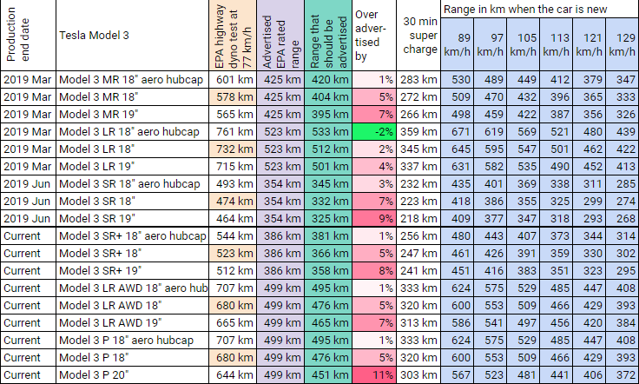

 | 71 | 41 | 40 | 37 | 33 | 32
 | 12 | 8 | 8 | 8 | 8 | 8
Speed reduction range for every unit (KM/H) reduction | 6 | 5 | 5 | 5 | 4 | 4

 | 64
850 | 320

